START HERE
PRUSAWIRE 2026.R1 BOM
Updated 2026-07-19

If you are starting with a...
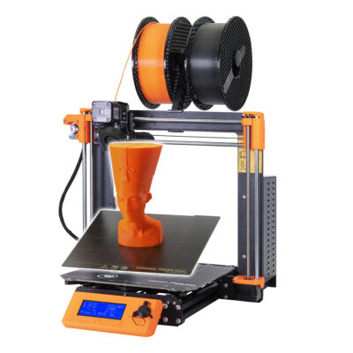
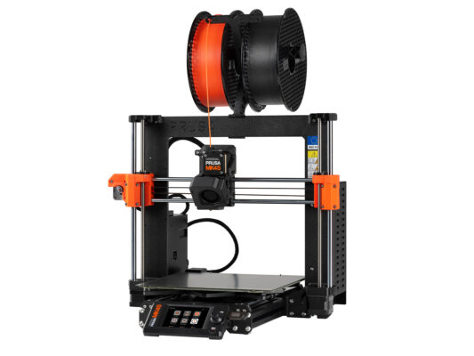

Complete Prusa MK3S+ | Complete Prusa MK4S
2026R1 BOM - MK3S | 2026R1 BOM - MK4S
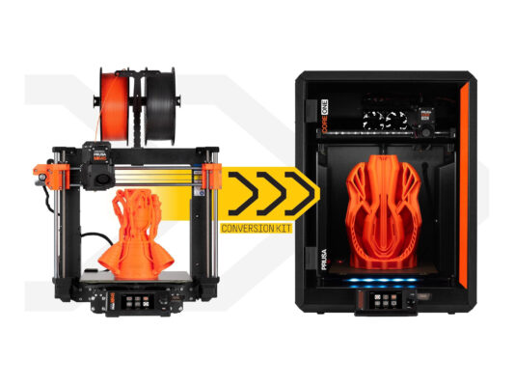


MK4 to Core One Upgrade Kit - Leftovers | Starting From Scratch
2026R1 BOM - Core One Upgrade Leftovers | 2026.R1 BOM - Complete

@erikbuild made this and this nearly broke him

